Tax invoice
TAX-INVOICE
Stark Enterprises Ltd
31, Baker Street
Invoice No | SEL007 | Address | Bangalore, India |  |  | Objective: Create a fully automated Invoice where, End user needs to only select Customer Name, Product and Enter Number of Invoice & Qty to generate an Invoice.
Date | 2022-11-27
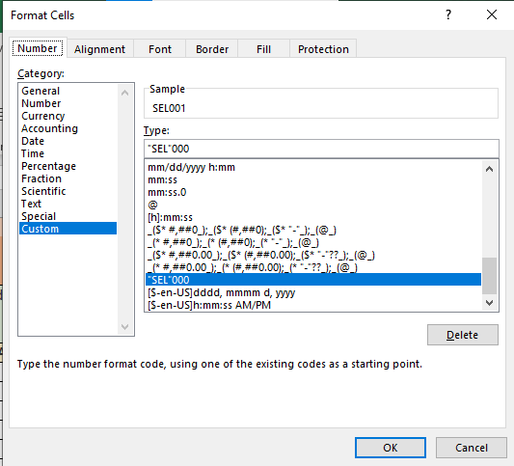
Customer | Legend |  |  |  |  | Instructions:
S.No | Product | Qty | Rate | Amount
1 | Files & Folders | 1 | 200 | 200 | 1 | Invoice No' should look like SEL001, if Number "1" is entered by the user
 |  |  |  | 0 | 2 | Date of Invoice should be automatic
 |  |  |  | 0 | 3 | Customer should have pre-defined list, as per selection of Customer, Address should be automatically populated
 |  |  |  | 0 | 4
 |  |  |  | 0 | 5 | S.no. should be automated, will display automatically when product is selected
 |  |  |  | 0 | 6 | Each cell under Product and Rate should have pre-defined lists to chose from
 |  |  |  | 0 | 7 | Add appropriate formulas to complete all the necessary calculations
 |  |  |  | 0 | 8 | Disount eligibility: Gross upto 2500- 0%, Gross more than or equal to 2500 -- 2%
 |  |  |  | 0
 |  |  |  | 0
 |  |  |  | 0
 |  | Gross Amount >> |  | 200
 |  | Add: GST (5%) |  | 10
 |  | Less: Discount |  | 0
 |  | Net Amount >> |  | 210

